Sheet1
INDEGREE VS OUTDEGREE
S.no | PARAMETERS | Purpose (travel from A to B) | Process (how we travel) | Weather Conditions | Duration of Travel | Passenger | Accent Variability (slang) | Vehicle Medium Quality | Language | Infrastructure (of vehicle and station) | Interaction (connection between user and their environment) | Location (where are we travelling) | Signage Clarity (about routes, location and time) | Cost | Convenience | Capacity (space in the vehicle) | Issuing ticket | Denominations (change given) | Safety | Maintenance and Reliability | Frequency (how often the vehicle arrives) | OUTDEGREE | PARAMETERS | OUTDEGREE | INDEGREE | TOTAL DEGREES | DIFFERENCE OF DEGREE(IOUT - IN)
1 | Purpose | 0 | 0 | 0 | 0 | 1 | 0 | 0 | 0 | 0 | 0 | 1 | 0 | 1 | 1 | 0 | 0 | 0 | 0 | 0 | 0 | 4 | Interaction | 3 | 14 | 17 | -11
2 | Process | 1 | 0 | 0 | 1 | 1 | 0 | 0 | 0 | 0 | 1 | 0 | 0 | 1 | 1 | 0 | 0 | 0 | 1 | 0 | 0 | 7 | Convenience | 6 | 17 | 23 | -11
3 | Weather Conditions | 1 | 1 | 0 | 1 | 1 | 0 | 1 | 0 | 0 | 1 | 0 | 1 | 0 | 1 | 0 | 1 | 0 | 1 | 1 | 1 | 12 | Passenger | 8 | 19 | 27 | -11
4 | Duration of Travel | 1 | 1 | 0 | 0 | 1 | 0 | 0 | 0 | 0 | 1 | 0 | 0 | 1 | 1 | 0 | 0 | 0 | 1 | 0 | 1 | 8 | Purpose | 4 | 9 | 13 | -5
5 | Passenger | 1 | 1 | 0 | 0 | 0 | 1 | 0 | 1 | 0 | 1 | 0 | 0 | 0 | 0 | 1 | 0 | 1 | 1 | 0 | 0 | 8 | Safety | 5 | 10 | 15 | -5
6 | Accent variability | 0 | 0 | 0 | 0 | 1 | 0 | 0 | 1 | 0 | 1 | 0 | 0 | 0 | 1 | 0 | 0 | 0 | 0 | 0 | 0 | 4 | Process | 7 | 12 | 19 | -5
7 | Vehicle Medium Quality (e.g road/rails) | 0 | 1 | 0 | 1 | 1 | 0 | 0 | 0 | 0 | 1 | 0 | 0 | 0 | 1 | 0 | 0 | 0 | 1 | 1 | 1 | 8 | Issuing Ticket | 4 | 7 | 11 | -3
8 | Language | 0 | 1 | 0 | 1 | 1 | 1 | 0 | 0 | 0 | 1 | 0 | 0 | 0 | 1 | 0 | 1 | 0 | 0 | 0 | 0 | 7 | Duration of Travel | 8 | 11 | 19 | -3
9 | Infrastructure | 0 | 0 | 0 | 1 | 1 | 0 | 0 | 0 | 0 | 1 | 0 | 1 | 1 | 1 | 1 | 1 | 0 | 1 | 1 | 1 | 11 | Accent variability | 4 | 4 | 8 | 0
10 | Interaction | 0 | 0 | 0 | 0 | 1 | 1 | 0 | 1 | 0 | 0 | 0 | 0 | 0 | 0 | 0 | 0 | 0 | 0 | 0 | 0 | 3 | Maintenance and Reliability | 6 | 5 | 11 | 1
11 | Location | 1 | 1 | 1 | 1 | 1 | 1 | 1 | 1 | 0 | 0 | 0 | 1 | 1 | 1 | 0 | 0 | 0 | 1 | 0 | 1 | 13 | Frequency | 6 | 5 | 11 | 1
12 | Signage Clarity (about routes, location and time) | 0 | 1 | 0 | 1 | 1 | 0 | 0 | 0 | 0 | 1 | 1 | 0 | 1 | 1 | 0 | 0 | 0 | 0 | 0 | 0 | 7 | Denominations | 4 | 2 | 6 | 2
13 | Cost | 1 | 1 | 0 | 1 | 1 | 0 | 0 | 0 | 1 | 0 | 0 | 1 | 0 | 1 | 1 | 1 | 1 | 1 | 1 | 0 | 12 | Language | 7 | 5 | 12 | 2
14 | Convenience | 1 | 1 | 0 | 1 | 1 | 0 | 0 | 0 | 0 | 1 | 0 | 0 | 1 | 0 | 0 | 0 | 0 | 0 | 0 | 0 | 6 | Signage Clarity (about routes, location and time) | 7 | 4 | 11 | 3
15 | Capacity | 1 | 1 | 0 | 0 | 1 | 0 | 0 | 0 | 0 | 1 | 0 | 0 | 0 | 1 | 0 | 1 | 0 | 1 | 1 | 0 | 8 | Capacity | 8 | 5 | 13 | 3
16 | Issuing Ticket | 0 | 0 | 0 | 0 | 1 | 0 | 0 | 1 | 0 | 1 | 0 | 0 | 0 | 1 | 0 | 0 | 0 | 0 | 0 | 0 | 4 | Cost | 12 | 7 | 19 | 5
17 | Denominations | 0 | 0 | 0 | 0 | 1 | 0 | 0 | 0 | 0 | 1 | 0 | 0 | 0 | 1 | 0 | 1 | 0 | 0 | 0 | 0 | 4 | Vehicle Medium Quality (e.g road/rails) | 8 | 2 | 10 | 6
18 | Safety | 1 | 1 | 0 | 0 | 1 | 0 | 0 | 0 | 0 | 1 | 0 | 0 | 0 | 1 | 0 | 0 | 0 | 0 | 0 | 0 | 5 | Infrastructure | 11 | 2 | 13 | 9
19 | Maintenance and Reliability | 0 | 0 | 0 | 1 | 1 | 0 | 0 | 0 | 1 | 0 | 0 | 0 | 0 | 1 | 1 | 0 | 0 | 1 | 0 | 0 | 6 | Weather Conditions | 12 | 1 | 13 | 11
20 | Frequency | 0 | 1 | 0 | 1 | 1 | 0 | 0 | 0 | 0 | 0 | 0 | 0 | 0 | 1 | 1 | 1 | 0 | 0 | 0 | 0 | 6 | Location | 13 | 2 | 15 | 11
 | INDEGREE | 9 | 12 | 1 | 11 | 19 | 4 | 2 | 5 | 2 | 14 | 2 | 4 | 7 | 17 | 5 | 7 | 2 | 10 | 5 | 5

 |  |  |  |  |  |  |  |  |  |  |  |  |  |  |  |  |  |  |  |  |  |  |  | VISUAL MAP

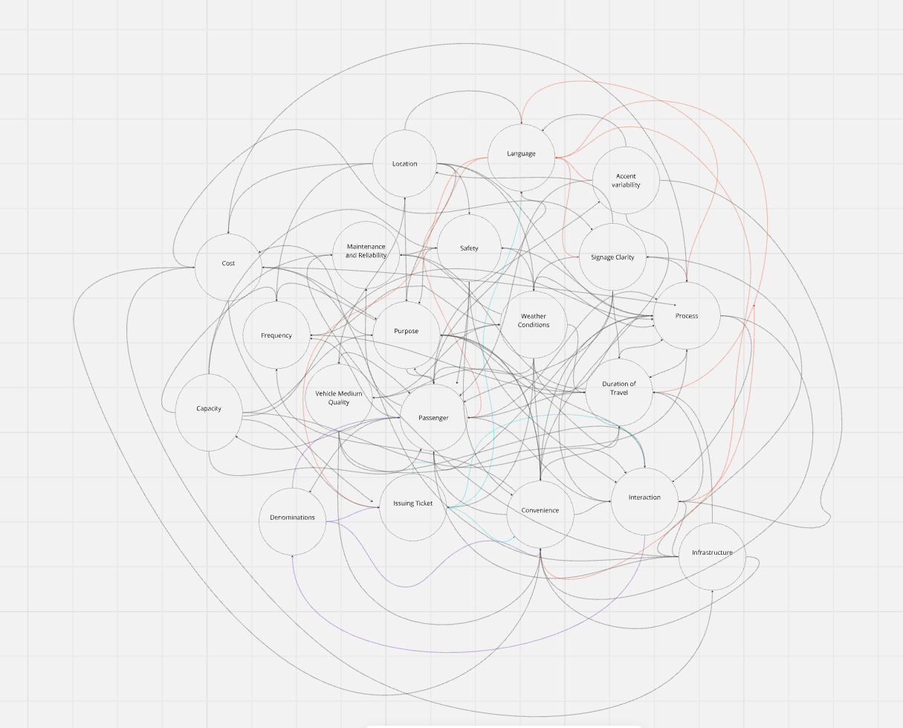

PARAMETERS VS INDEGREE
PARAMETERS VS OUTDEGREE

